Sheet1
Symbol | Component | Rating | Quantity | Remarks | S. No | Components | Qty. | Ref. Link
Rc | Resistor | 100 Ω | 4 | 100 Ω, 0603 or 0805 | 1 | SOIC/SSOP TO DIP 20 PIN Adapter | 2 | https://robu.in/product/soic-ssop-to-dip-20-pin-adapter/?gad_source=1&gad_campaignid=17427802703&gbraid=0AAAAADvLFWc60KM5gGnahwq7tJNWHeqMC&gclid=Cj0KCQiAubrJBhCbARIsAHIdxD8Kz584Aj9Pd720DBKuCWQN30KHFAD9rdQVz3eRJDW-7RyyO6S6X-saAnMgEALw_wcB
Cc | Capacitor | 0.1 µF | 4 | 0.1 µF (100 nF), 0603 ceramic, X7R or better | 2 | 2.54mm 1×40 Pin Male Single Row Straight Short Header Strip | 4 | https://robu.in/product/2-54mm-1x40-pin-male-single-row-straight-short-header-strip-pack-of-3/?gad_source=1&gad_campaignid=17427802703&gbraid=0AAAAADvLFWc60KM5gGnahwq7tJNWHeqMC&gclid=Cj0KCQiAubrJBhCbARIsAHIdxD9rubdfB20GNfLqFq8vVbhA2jvDuSkhFcSt0_zfHXVI5PKF-EUShgIaAlzMEALw_wcB
RSNS | Resistor | 20 mΩ | 1 | 20 mΩ, 1% or better, current-rated (2–4 W) | 3 | 60W soldering iron (936 style) | 1 | https://robu.in/product/gordak-936a-soldering-station/?gad_source=1&gad_campaignid=20387462343&gbraid=0AAAAADvLFWdNXp-s6L1FY4_sL2qklS4IJ&gclid=Cj0KCQiAubrJBhCbARIsAHIdxD_HnRk9yYmSq7nX9wkYvjY-lna3ZSsLxPz7P6q8uXzwNa2FseImIuUaAhK9EALw_wcB
RFILT | Resistor | 100 Ω | 2 |  | 4 | Leaded Solder Wire | 1 | https://robocraze.com/products/soldering-wire10gm?variant=40192347046041&country=IN&currency=INR&utm_medium=product_sync&utm_source=google&utm_content=sag_organic&utm_campaign=sag_organic&srsltid=AfmBOoqw4X_GbzCIPUb9MoksgtRIhN7H1Q1ZkEPA0E5RkAGa4qNkUTBMjBE
0.1 µF | Capacitor | 0.1 µF | 3 | 0.1 µF (100 nF) ceramic, X7R (or X5R) dielectric, 0805 or 0603 package. | 5 | RMA-223 Flux | 1 | https://quartzcomponents.com/products/rma-223-solder-flux-paste?variant=39532236931256&country=IN&currency=INR&utm_medium=product_sync&utm_source=google&utm_content=sag_organic&utm_campaign=sag_organic?utm_source=google&utm_medium=FreeListings&gad_source=1&gad_campaignid=20393598841&gbraid=0AAAAACPPFdNuicGZITlOVLQCFt9_3SQML&gclid=Cj0KCQiAubrJBhCbARIsAHIdxD_hMgb8PZ-M20ntwBWqPM33YphB2vaAVFGrEd1XipekCdBPW8Uv_PcaAn6kEALw_wcB
CHG/DSG | Mosfet |  |  | Vds ≥ 30–40 V (safety headroom) Logic-level gate, Rds(on) low at Vgs≈10–12 V (BQ CHG/DSG pull to ~12 V). Rds(on) target: ≤ 20 mΩ if you want low losses at a few amps. | 6 | ESD-11 Tweezers | 1 | https://robocraze.com/products/epoxy-coated-tweezer-no-9-anti-magnetic-stainless-steel?variant=46815890899168&country=IN&currency=INR&utm_medium=product_sync&utm_source=google&utm_content=sag_organic&utm_campaign=sag_organic&campaignid=23175860290&adgroupid=&keyword=&device=c&gad_source=1&gad_campaignid=23166310728&gbraid=0AAAAADgHQvaMufgJPDOWjaczPAVd7Pxmt&gclid=Cj0KCQiAubrJBhCbARIsAHIdxD8fzZ_Qq0NKGFz6cZ_0e-wvYQZGnr8F32SH_q9hOjJQrLQsryhu7OsaAjIqEALw_wcB
Rgate | Resistor | 100 Ω | 2 | Mosfet Gate Signal
1M | Resistor | 1 MΩ | 2 | gate pull-down resistors
4.7 µF | Capacitor | 4.7 µF | 1 | REGOUT Capacitor (CL)
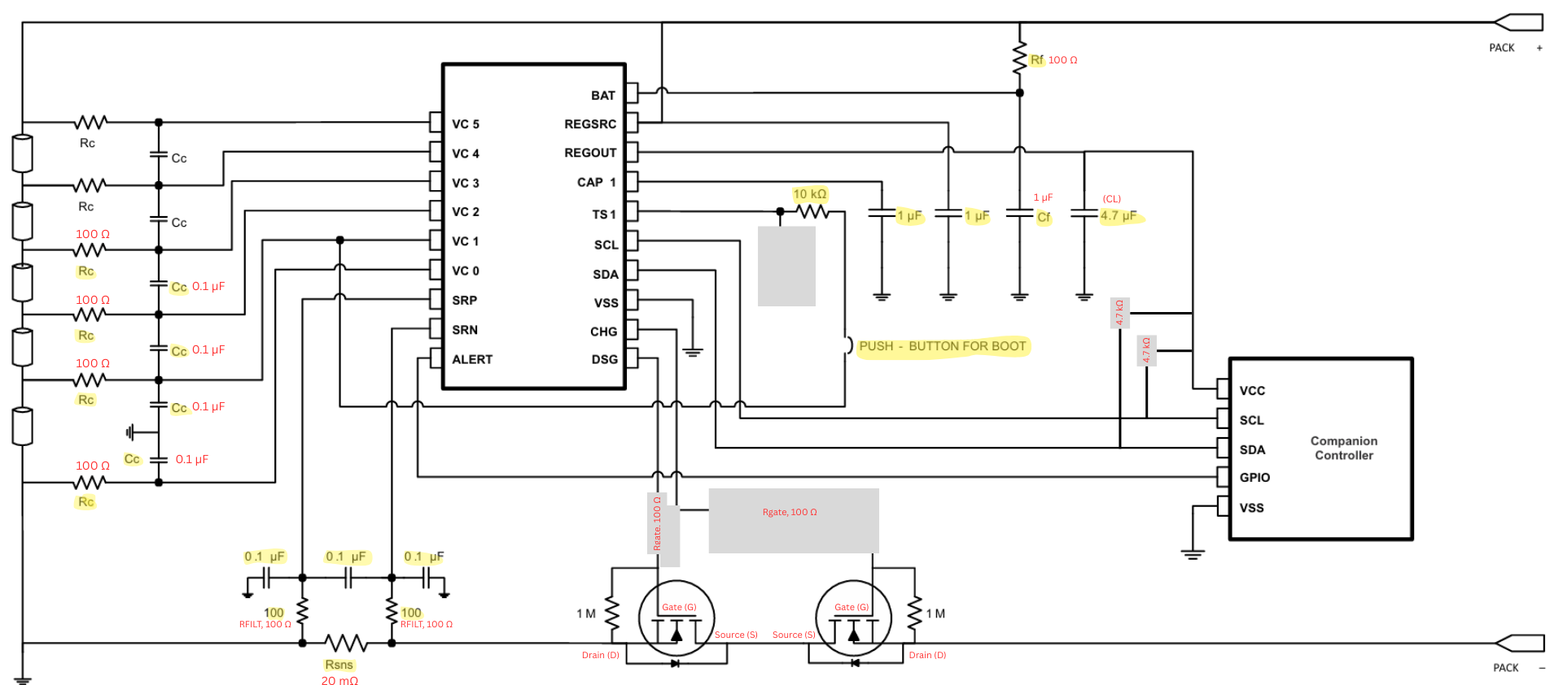
Rf | Resistor | 100 Ω | 1 | BAT R/C Filter
Cf | Capacitor | 1 µF | 1
1 µF | Capacitor | 1 µF | 1 | REGSRC Capacitor
1 µF | Capacitor | 1 µF | 1 | CAP1 Capacitor, For Internal Timing, ADC
10 kΩ | Resistor | 10 kΩ | 1 | Thermister Unused, TS1-100kΩ-Gnd
PUSH | Push Button |  | 1 | A sudden spike is req. to switch ON the chip from SHIP(sleep mode). Hence connect to VC1
4.7 kΩ | Resistor | 4.7 kΩ | 2 | Pull High in SDA/SDL lines

